Model
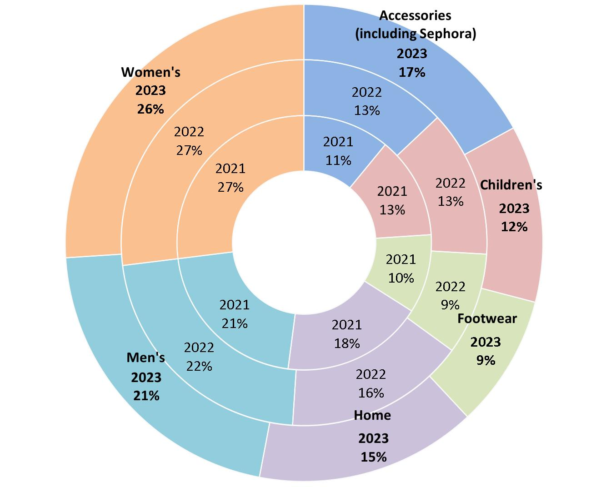
Main
 |  | Q12022 | Q22022 | Q32022 | Q42022 | Q12023 | Q22023 | Q32023 | Q42023 | Q12024 | Q22024 | Q32024 | Q42024 | Q12025 | Q22025 | Q32025 | Q42025 | Net Sales Penetration 2023
 | Net Sales | 3,715 | 4,087 | 4,277 | 6,019 | 3,571 | 3,895 | 4,054 | 5,956 | 3,178 | 3525 | 3507 | 5175 | 3049 | 3347 | 3314.115 | 4812.75
 | Other Revenue |  |  |  |  |  |  |  |  | 204 | 207 | 203 | 222 | 183 | 199 | 180 | 180

 | Revenue | 3715 | 4087 | 4277 | 6019 | 3571 | 3895 | 4054 | 5956 | 3382 | 3732 | 3710 | 5397 | 3232 | 3546 | 3494.115 | 4992.75
 | COGS | 2140 | 2332 | 2541 | 4444 | 2047 | 2242 | 2349 | 3860 | 1923 | 2128 | 2137 | 3473 | 1834 | 2011
 | Gross Profit | 1575 | 1755 | 1736 | 1575 | 1524 | 1653 | 1705 | 2096 | 1459 | 1604 | 1573 | 1924 | 1398 | 1535
 | SG&A | 1293 | 1283 | 1334 | 1677 | 1238 | 1304 | 1360 | 1610 | 1228 | 1250 | 1291 | 1539 | 1164 | 1199
 | Operating Expense | 1493 | 1489 | 1536 | 1877 | 1426 | 1490 | 1548 | 1797 | 1416 | 1438 | 1475
 | Operating Income | 82 | 266 | 200 | -302 | 98 | 163 | 157 | 299 | 43 | 166 | 98 | 126 | 60 | 279
 | Interest | -68 | -77 | -81 | -78 | -84 | -89 | -89 | -82 | -83 | -86 | -76 | -74 | -76 | 0
 | Pretax Income | 14 | 189 | 119 | -380 | 14 | 74 | 68 | 217 | -40 | 80 | 22 | 52 | -16 | 201
 | Taxes | 0 | 46 | 22 | -107 | 0 | 16 | 9 | 31 | -13 | 14 | 0 | 4 | -1 | 48
 | Net Income | 14 | 143 | 97 | -273 | 14 | 58 | 59 | 186 | -27 | 66 | 22 | 48 | -15 | 153
 | EPS |  |  |  |  | 0.13 | 0.52 | 0.53 | 1.68 | -0.24 | 0.59 | 0.20 | 0.43 | -0.14 | 1.37
 | Shares |  |  |  |  | 111 | 111 | 111 | 111 | 111 | 111 | 111 | 111 | 111 | 112

 | Revenue Growth |  |  |  |  | -4% | -5% | -5% | -1% | -5% | -4% | -8% | -9% | -4% | -5% | -6% | -7%

 | Cash Flow from Operations | -460 | -86 | 121 | 707 | -202 | 430 | 151 | 789 | -7 | 254 | -195 | 596 | -92
 | Capital Expendature | -221 | -327 | -185 | -93 | -94 | -244 | -157 | -82 | -126 | -113 | -128 | -99 | -110
 | FCF | -681 | -413 | -64 | 614 | -296 | 186 | -6 | 707 | -133 | 141 | -323 | 497 | -202
 | Dividend Payments | -63 | -64 | -57 | -55 | -55 | -55 | -55 | -55 | -55 | -56 | -55 | -14 | -14

 | Gross Margin | 42% | 43% | 41% | 26% | 43% | 42% | 42% | 35% | 43% | 43% | 42% | 36% | 43% | 40%
 | Operating Margin | 2% | 7% | 5% | -5% | 3% | 4% | 4% | 5% | 1% | 4% | 3% | 2% | 2%
 |  |  |  |  |  |  |  |  |  |  |  |  | Beat Earnings Expecation | Beat Earnings Expectations | Beat
 |  |  |  |  |  |  |  |  |  |  |  |  |  | Guidance of -5% to -7% in net sales vs 2024 | Guidance of -4 to -5%
 |  |  |  |  |  |  |  |  |  |  |  |  |  | 0.10 to 0.60 EPS | 0.50 to 0.80 EPS
 |  |  |  |  |  |  |  |  |  |  |  |  |  | Capex 400 to 425 | 400 Capex
 |  |  |  |  |  |  |  |  |  |  |  |  |  | Refinanced July 2025 Maturities
 |  |  |  |  |  |  |  |  |  |  |  |  |  | Declared 0.125 dividend

Stores
